10166579
Measuring Instrument Verification Record
Company name: Mano Engineering LLC |  |  |  |  |  | Inspector: KK
Part No. | A | B | C | D | E | Remark
1 | 1.381 | 0.12 | 0.074 | 0.7855
2 | 1.381 | 0.121 | 0.04 | 0.7885
3 | 1.382 | 0.118 | 0.04 | 0.785
4 | 1.381 | 0.117 | 0.041 | 0.794
5 | 1.379 | 0.118 | 0.0365
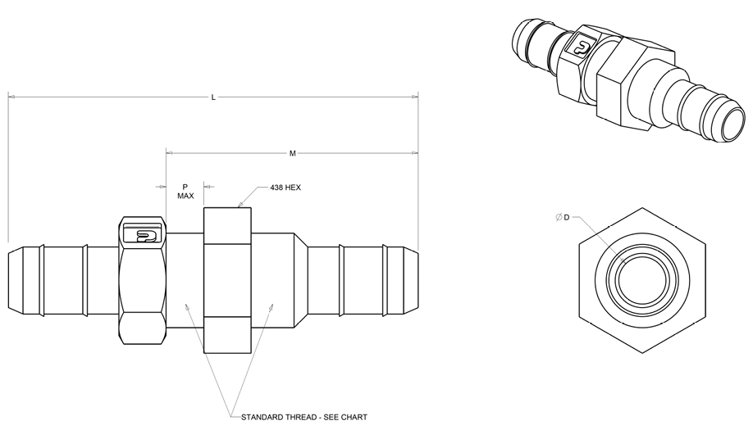
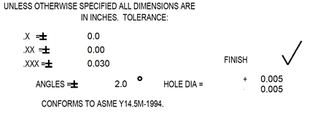

A

D

C

B

